INDEX
Lancaster Integrated Care Community - Community Support Bulletin - updated - 25.06.2020 - 4pm
*please note we are not promoting individual organisations or businesses, just collating offers received or being shared on social platforms*
* neither are we are able to accept liability for service delivery relating to any offers shared*

INDEX - click on each page name to get taken to the TAB….. each page has a link at the top to return to this page
If you aren't sure where you can find a service/offer you can use the "Find" function in Excel to search for a word/part of a word.
Press Ctrl+F or go to Home > Editing > Find & Select > Find
To search the whole Workbook (not just the current Tab) then in the "Find and Replace" dialogue box (shown above) in the dropbox box called "Within" select "Workbook". You may need to click the "Options" Box first.
Click "Find Next" if you want to search for another entry.
Food & Grocery
Mental Health Support Resources
NHS & Government Agencies
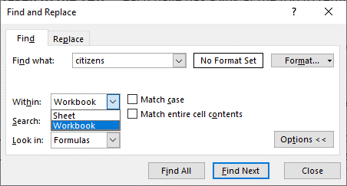
Wellbeing & Lifestyle
GPs & Health Care Services
Community Support
Miscellaneous
Pets
Pastoral / Spiritual
Business, Employment & Finance
Education (Children & Adults)
Exercise & Keeping Active
Utilities / Repair Services
Entertainment / Hobbies
Volunteering / Grants / Donations

* At the date at the top of this document all of the above are still open/offering services as described, please note things change daily, we will try to keep this sheet as up to date as possible.

RETURN TO TOP

